Outputs 1
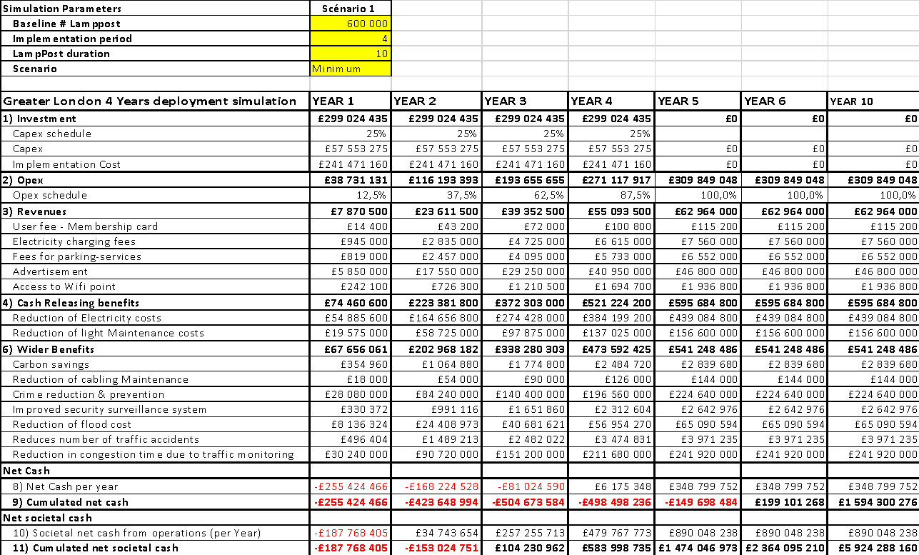
Simulation Parameters | Scénario 1
Baseline # Lamppost | 554,000
Implementation period | 4
LampPost duration | 10
Scenario | Minimum

Greater London 4 Years deployment simulation | YEAR 1 | YEAR 2 | YEAR 3 | YEAR 4 | YEAR 5 | YEAR 6 | YEAR 7 | YEAR 8 | YEAR 9 | YEAR 10
1) Investment | £275,567,108 | £275,567,108 | £275,567,108 | £275,567,108 | £0 | £0 | £0 | £0 | £0 | £0
Capex schedule | 25% | 25% | 25% | 25%
Capex | £52,799,318 | £52,799,318 | £52,799,318 | £52,799,318 | £0 | £0 | £0 | £0 | £0 | £0
Implementation Cost | £222,767,790 | £222,767,790 | £222,767,790 | £222,767,790 | £0 | £0 | £0 | £0 | £0 | £0
2) Opex | £35,514,978 | £106,544,934 | £177,574,890 | £248,604,846 | £284,119,824 | £284,119,824 | £284,119,824 | £284,119,824 | £284,119,824 | £284,119,824
Opex schedule | 12.5% | 37.5% | 62.5% | 87.5% | 100.0% | 100.0% | 100.0% | 100.0% | 100.0% | 100.0%
3) Revenues | £6,446,067 | £19,338,201 | £32,230,335 | £45,122,469 | £51,568,536 | £51,568,536 | £51,568,536 | £51,568,536 | £51,568,536 | £51,568,536
User fee - Membership card | £6,648 | £19,944 | £33,240 | £46,536 | £53,184 | £53,184 | £53,184 | £53,184 | £53,184 | £53,184
Electricity charging fees | £436,275 | £1,308,825 | £2,181,375 | £3,053,925 | £3,490,200 | £3,490,200 | £3,490,200 | £3,490,200 | £3,490,200 | £3,490,200
Fees for parking-services | £378,105 | £1,134,315 | £1,890,525 | £2,646,735 | £3,024,840 | £3,024,840 | £3,024,840 | £3,024,840 | £3,024,840 | £3,024,840
Advertisement | £5,401,500 | £16,204,500 | £27,007,500 | £37,810,500 | £43,212,000 | £43,212,000 | £43,212,000 | £43,212,000 | £43,212,000 | £43,212,000
Access to Wifi point | £223,539 | £670,617 | £1,117,695 | £1,564,773 | £1,788,312 | £1,788,312 | £1,788,312 | £1,788,312 | £1,788,312 | £1,788,312
4) Cash Releasing benefits | £68,751,954 | £206,255,862 | £343,759,770 | £481,263,678 | £550,015,632 | £550,015,632 | £550,015,632 | £550,015,632 | £550,015,632 | £550,015,632
Reduction of Electricity costs | £50,677,704 | £152,033,112 | £253,388,520 | £354,743,928 | £405,421,632 | £405,421,632 | £405,421,632 | £405,421,632 | £405,421,632 | £405,421,632
Reduction of light Maintenance costs | £18,074,250 | £54,222,750 | £90,371,250 | £126,519,750 | £144,594,000 | £144,594,000 | £144,594,000 | £144,594,000 | £144,594,000 | £144,594,000
6) Wider Benefits | £62,469,096 | £187,407,288 | £312,345,480 | £437,283,672 | £499,752,768 | £499,752,768 | £499,752,768 | £499,752,768 | £499,752,768 | £499,752,768
Carbon savings | £327,746 | £983,239 | £1,638,732 | £2,294,225 | £2,621,971 | £2,621,971 | £2,621,971 | £2,621,971 | £2,621,971 | £2,621,971
Reduction of cabling Maintenance | £16,620 | £49,860 | £83,100 | £116,340 | £132,960 | £132,960 | £132,960 | £132,960 | £132,960 | £132,960
Crime reduction & prevention | £25,927,200 | £77,781,600 | £129,636,000 | £181,490,400 | £207,417,600 | £207,417,600 | £207,417,600 | £207,417,600 | £207,417,600 | £207,417,600
Improved security surveillance system | £305,043 | £915,130 | £1,525,217 | £2,135,304 | £2,440,348 | £2,440,348 | £2,440,348 | £2,440,348 | £2,440,348 | £2,440,348
Reduction of flood cost | £7,512,539 | £22,537,618 | £37,562,697 | £52,587,776 | £60,100,315 | £60,100,315 | £60,100,315 | £60,100,315 | £60,100,315 | £60,100,315
Reduces number of traffic accidents | £458,347 | £1,375,040 | £2,291,734 | £3,208,427 | £3,666,774 | £3,666,774 | £3,666,774 | £3,666,774 | £3,666,774 | £3,666,774
Reduction in congestion time due to traffic monitoring | £27,921,600 | £83,764,800 | £139,608,000 | £195,451,200 | £223,372,800 | £223,372,800 | £223,372,800 | £223,372,800 | £223,372,800 | £223,372,800
Net Cash
8) Net Cash per year | -£235,884,065 | -£156,517,979 | -£77,151,893 | £2,214,193 | £317,464,344 | £317,464,344 | £317,464,344 | £317,464,344 | £317,464,344 | £317,464,344
9) Cumulated net cash | -£235,884,065 | -£392,402,043 | -£469,553,936 | -£467,339,742 | -£149,875,398 | £167,588,946 | £485,053,290 | £802,517,634 | £1,119,981,978 | £1,437,446,322
Net societal cash
10) Societal net cash from operations (per Year) | -£173,414,968 | £30,889,310 | £235,193,588 | £439,497,866 | £817,217,112 | £817,217,112 | £817,217,112 | £817,217,112 | £817,217,112 | £817,217,112
11) Cumulated net societal cash | -£173,414,968 | -£142,525,659 | £92,667,929 | £532,165,795 | £1,349,382,907 | £2,166,600,019 | £2,983,817,132 | £3,801,034,244 | £4,618,251,356 | £5,435,468,469

Greater London Smart LIghting SImulation

Greater London 4 years smartlighting simulation scenario

